Sheet1
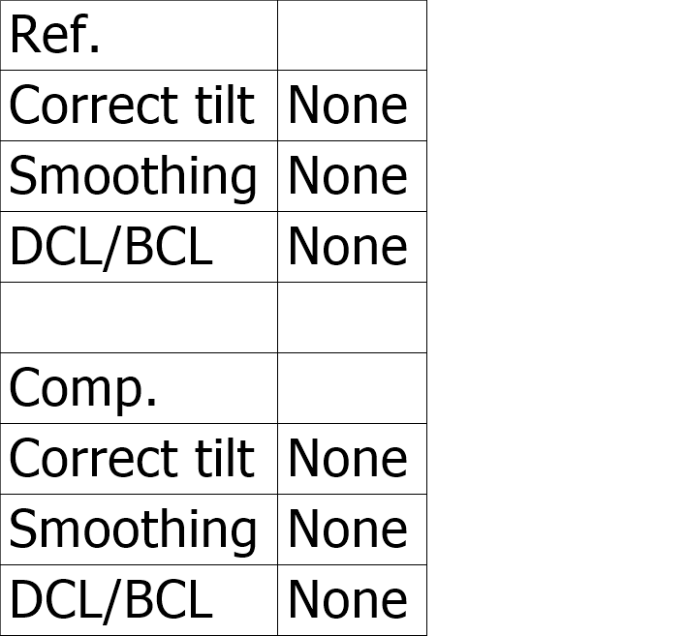
Comparative measurement
Lens magnification

Measurement equipment :
VK-X Series
Measurement mode
Reference image
Comp. image
Measurement size

Image size

3D image(Ref.)
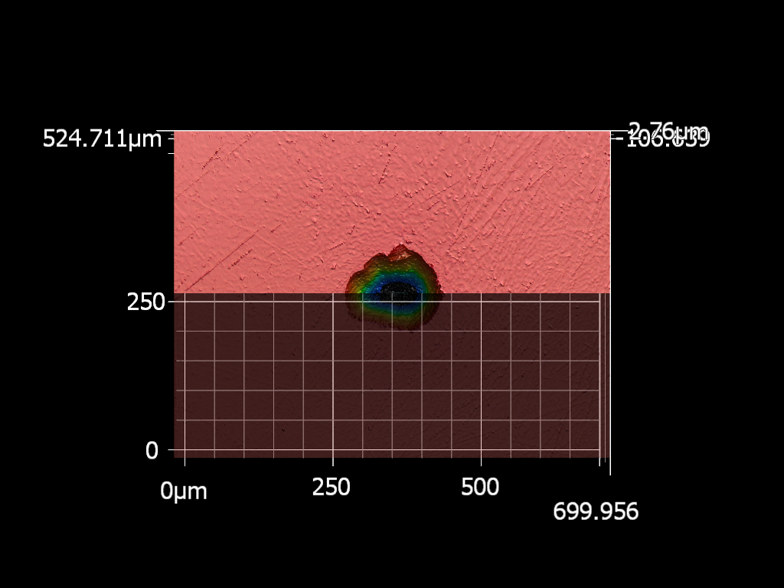

3D image(Comp.)


Comparative profile
Measurement result
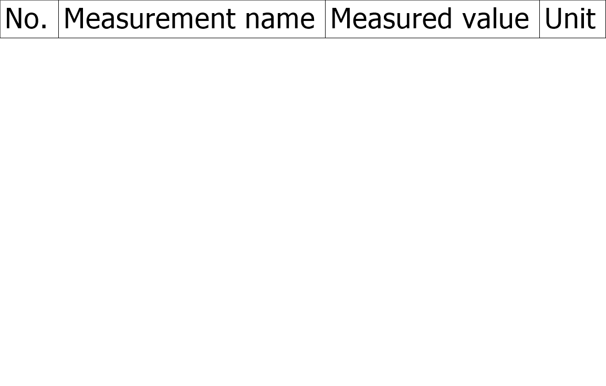

Difference profile

Measurement date and time :

Comparative profile(Absolute)

Difference profile(Absolute)

Analysis condition

